Sheet1
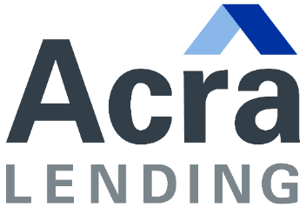

 |  | Bank Statement Program

 | DEPOSITS
 | 2024 | 2023 | 2022 | NSF COUNT
JANUARY
FEBRUARY
MARCH
APRIL
MAY
JUNE
JULY
AUGUST
SEPTEMBER
OCTOBER
NOVEMBER
DECEMBER

 |  |  | TOTAL: | -

 | Total | $-

 | Qualifying Income:
 |  | 24-Months | 12-Months
 | Personal | Need Inputs | Need Inputs
 | Business | Need Inputs | Need Inputs

 | If Applicable, % of Business Owned: |  | 100.0%

Max returned checks (NSF) in last 12 months is 6 (overdrafts do not count) for 12-/24-month programs.
24-Month program would take lessor of last 12-month or 24-month period to address declining income.
All persons on personal bank statements must be on the loan application.
Business bank statements require 50% deduction for business expenses. If borrower owns only a percentage of business, they would only get their ownership percentage of deposits after the 50% has already been applied.
No transfers from other accounts, tax return refunds, ATM card returns, or fee refunds will be counted.
All pages of all statements need to be provided. No blacked out areas are acceptable.
Qualifying income can only utilize one statement per month covering the respective qualifying period. If an account was closed, would need the first statement of the new account.
Other conditions and guidelines apply.
 |  |  |  | v20230105

